Profitability
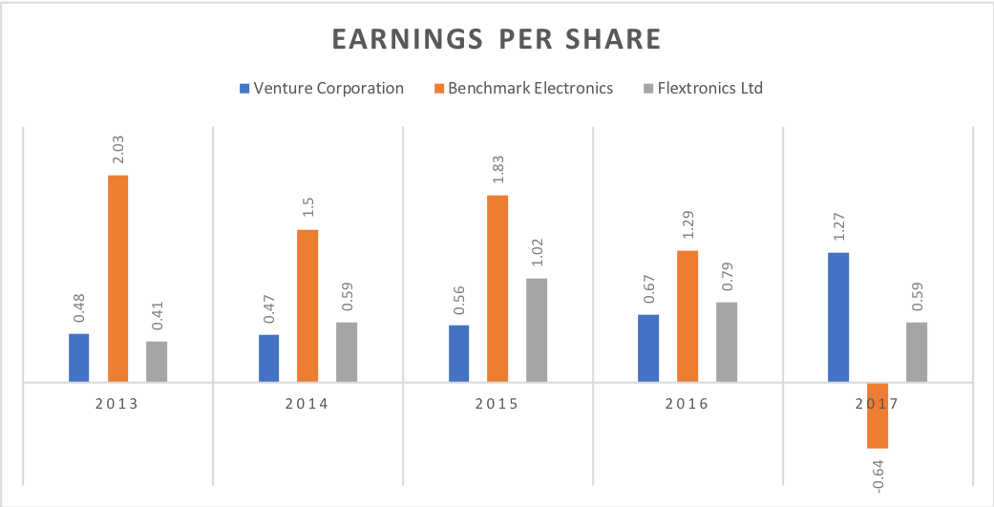
Operating Margin | 2013 | 2014 | 2015 | 2016 | 2017 | OM = Operating Income / Net Sales
Venture Corporation | 5.61 | 5.96 | 6.33 | 7.11 | 10.87
Benchmark Electronics | 4.6 | 3.6 | 3.7 | 3.3 | 3.2
Flextronics Ltd | 1.4 | 2.1 | 2.6 | 2.4 | 2.1

Net Margin | 2013 | 2014 | 2015 | 2016 | 2017 | NM = Net Profit / Total Revenue
Venture Corporation | 5.63 | 3.08 | 5.8 | 6.29 | 9.31
Benchmark Electronics | 4.43 | 2.9 | 3.74 | 2.77 | -0.13
Flextronics Ltd | 1.18 | 1.4 | 2.3 | 1.82 | 1.34

 | 2013 | 2014 | 2015 | 2016 | 2017
Profit Before Tax | 139.93 | 92.67 | 181.71 | 215.86 | 443.75
Profit Attributable to Investors | 131.13 | 76 | 153.99 | 180.68 | 372.82
Cash Generated from Operations | 109.78 | 171.48 | 238.1 | 234.32 | 454.96 | CFFO = EBIT + Depreciation - Tax + Change in Working Capital

Comparison of ROA | 2013 | 2014 | 2015 | 2016 | 2017 | ROA = Net Income / Total Asset
Venture Corporation | 5.45 | 3.1 | 6.17 | 6.84 | 12.63
Benchmark Electronics | 7.04 | 4.94 | 5.34 | 3.29 | -1.56
Flextronics Ltd | 2.56 | 3.17 | 4.97 | 3.69 | 2.56

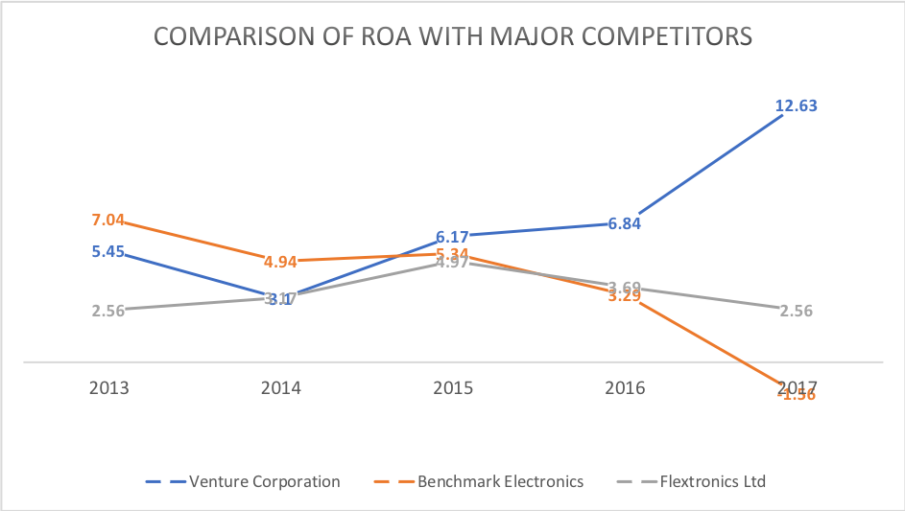

DuPont Analysis | 2013 | 2014 | 2015 | 2016 | 2017 | ROE = Profit Margin x Total Asset Turnover x Equity Multiplier
Adjusted ROE | 7.26 | 7.09 | 8.38 | 9.65 | 17.62 | ROE = Net Income / Shareholder's Equity
Profit Margin | 6.06 | 3.8 | 6.88 | 7.54 | 11.11 | PM = Net Income / Net Sales
Total Asset Turnover | 0.97 | 1 | 1.06 | 1.09 | 1.36 | TAT = Sales / Average Total Assets
Equity Multiplier | 1.33 | 1.35 | 1.35 | 1.37 | 1.43 | EM = Total Asset / Total Equity
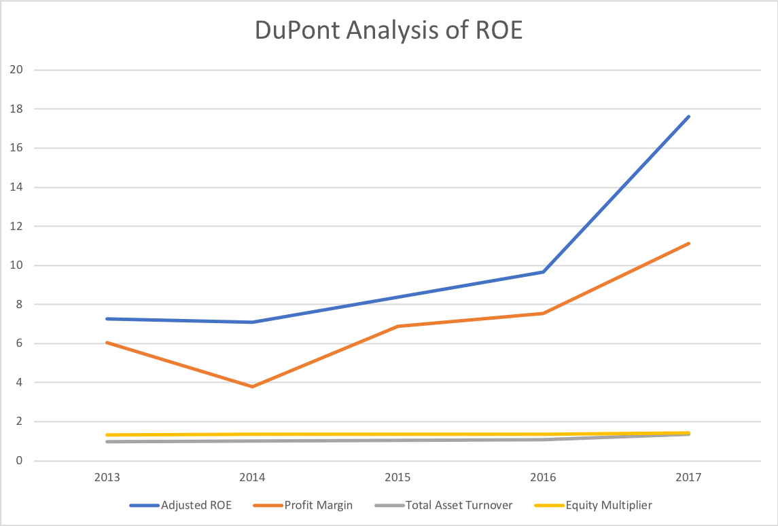

Earnings Per Share | 2013 | 2014 | 2015 | 2016 | 2017 | EPS = (Net Income - Dividends on Preferred Stock) / Average Outstanding Shares
Venture Corporation | 0.48 | 0.28 | 0.56 | 0.67 | 1.27
Benchmark Electronics | 2.03 | 1.53 | 1.90 | 1.30 | -0.65
Flextronics Ltd | 0.41 | 0.62 | 1.07 | 0.82 | 0.60

Liquidity Ratios
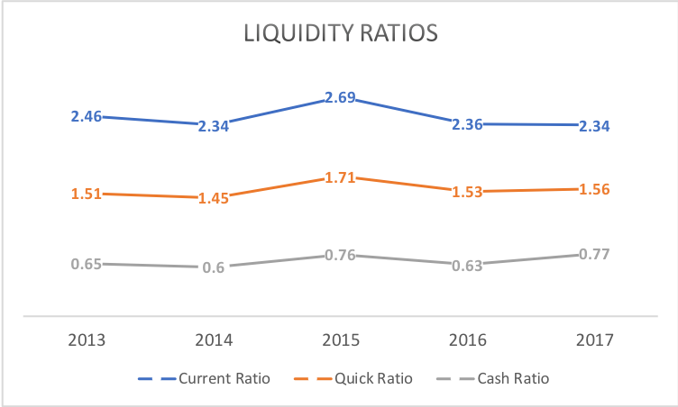
 | 2013 | 2014 | 2015 | 2016 | 2017
Current Ratio | 2.46 | 2.34 | 2.69 | 2.36 | 2.34 | CR = Current Asset / Current Liabilities
Quick Ratio | 1.51 | 1.45 | 1.71 | 1.53 | 1.56 | QR = (Current Asset - Inventories) / Current Liabilities
Cash Ratio | 0.65 | 0.6 | 0.76 | 0.63 | 0.77 | CR = Cash and Cash Equivalents / Current Liabilities

Asset Utilisation
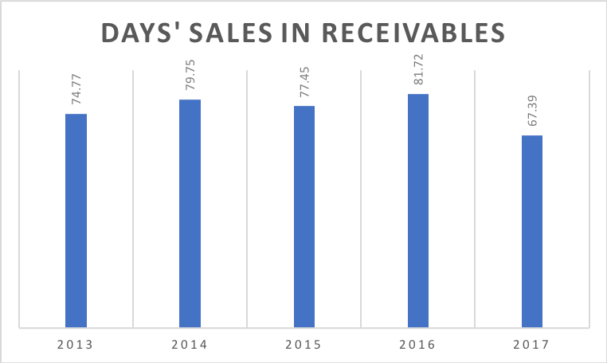
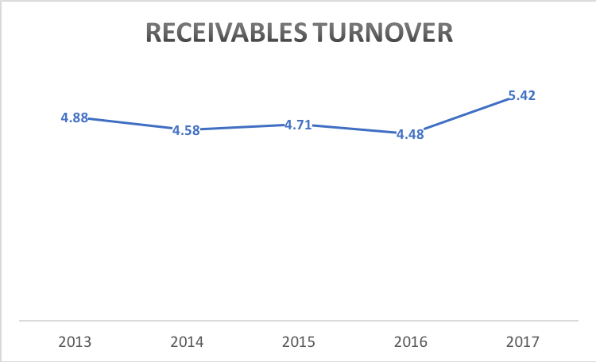
 | 2013 | 2014 | 2015 | 2016 | 2017
Receivables Turnover | 4.88 | 4.58 | 4.71 | 4.48 | 5.42 | RT = Net Credit Sales / Average Account Receivables
 | 2013 | 2014 | 2015 | 2016 | 2017
Days' Sales in Receivables | 74.77 | 79.75 | 77.45 | 81.72 | 67.39 | DSR = 365 / Receivables Turnover

 | 2013 | 2014 | 2015 | 2016 | 2017
Intangible Assets | 700.6 | 681.1 | 661.22 | 640.99 | 639.92
Total Assets | 2442.36 | 2464.42 | 2528.32 | 2758.52 | 3144.2
% of Total | 28.69% | 27.64% | 26.15% | 23.24% | 20.35% | % of Total = Intangible Assets / Total Assets x 100%

5 year average | 25.21%

Earnings per Share & Price to E
Share Price
 | 2013 | 2014 | 2015 | 2016 | 2017
Venture Corporation
Net Income | 131.13 | 76 | 153.99 | 185.9 | 363.5
Basic weighted average shares | 274.69 | 274.75 | 275.88 | 277.28 | 282.01
Earnings per share | 0.48 | 0.28 | 0.56 | 0.67 | 1.27
Price | 7.68 | 7.87 | 8.20 | 9.88 | 20.47
Price to Earning Ratio | 16.10 | 28.41 | 14.70 | 15.15 | 15.48

Earnings Per Share
Benchmark Electronics Inc
Net Income | 110.95 | 81.24 | 95.4 | 64.05 | -31.97
Basic weighted average shares | 54.21 | 53.54 | 51.57 | 49.3 | 49.68
Earnings per share | 2.03 | 1.53 | 1.90 | 1.30 | -0.65
Price | 23.08 | 25.44 | 20.67 | 30.5 | 29.1
Price to Earning Ratio | 14.78 | 16.54 | 12.82 | 23.53 | 20.18

Flex Ltd
Net Income | 277.05 | 365.59 | 600.8 | 444.08 | 319.56
Basic weighted average shares | 662.87 | 610.5 | 579.98 | 557.67 | 540.5
Earnings per share | 0.41 | 0.62 | 1.07 | 0.82 | 0.60
Price | 6.76 | 9.24 | 12.68 | 12.06 | 16.8
Price to Earning Ratio
Price to Earning Ratio | 11.28 | 13.31 | 13.04 | 13.88 | 22.75

Price | 2013 | 2014 | 2015 | 2016 | 2017
Venture Corporation | 7.68 | 7.87 | 8.20 | 9.88 | 20.47
Benchmark Electronics Inc | 23.08 | 25.44 | 20.67 | 30.5 | 29.1
Flex Ltd | 6.76 | 9.24 | 12.68 | 12.06 | 16.8

Earnings per share | 2013 | 2014 | 2015 | 2016 | 2017 | EPS = (Net Income - Dividends on Preferred Stock) / Average Outstanding Shares
Venture Corporation | 0.48 | 0.28 | 0.56 | 0.67 | 1.27
Benchmark Electronics Inc | 2.03 | 1.53 | 1.90 | 1.30 | -0.65
Flex Ltd | 0.41 | 0.62 | 1.07 | 0.82 | 0.60

Price to Earning Ratio | 2013 | 2014 | 2015 | 2016 | 2017 | P/E Ratio = Market Value Share / Earnings per Share
Venture Corporation | 16.10 | 28.41 | 14.70 | 15.15 | 15.48
Benchmark Electronics Inc | 14.78 | 16.54 | 12.82 | 23.53 | 20.18
Flex Ltd | 11.28 | 13.31 | 13.04 | 13.88 | 22.75

Market to Book Ratio
 | 2013 | 2014 | 2015 | 2016 | 2017
Venture Corporation
Total Assets | 2442.36 | 2464.42 | 2528.32 | 2758.52 | 3144.2
Total Liabilities | 613.12 | 663.41 | 632.51 | 795.99 | 976.14
Book Value | 1829.24 | 1801.01 | 1895.81 | 1962.53 | 2168.06 | BV = Total Asset - Total Liabilities
Market Capitalisation | 2109.98 | 2162.39 | 2267.28 | 2754.39 | 5826.33 | MC = Share Price x Outstanding Shares
Market to Book Ratio | 1.15 | 1.20 | 1.20 | 1.40 | 2.69 | M-to-B Ratio = Market Capitalisation / Total Book Value

Market to Book Ratio
Benchmark Electronics Inc
Total Assets | 1657 | 1679 | 1894 | 1999 | 2097
Total Liabilities | 430 | 388 | 572 | 633 | 768
Book Value | 1227 | 1291 | 1322 | 1366 | 1329
Market Capitalisation | 1242.28 | 1348.17 | 1037.18 | 1504.57 | 1430.06
Market to Book Ratio | 1.01 | 1.04 | 0.78 | 1.10 | 1.08

Flex Ltd
Total Assets | 10592 | 12500 | 11666 | 12385 | 12593
Total Liabilities | 8345 | 10337 | 9305 | 9814 | 9949
Book Value | 2247 | 2163 | 2361 | 2571 | 2644
Book Value
Market Capitalisation | 4319.1 | 5464.79 | 7140.12 | 6570.57 | 8925.75
Market to Book Ratio | 1.92 | 2.53 | 3.02 | 2.56 | 3.38

Market to Book Ratio | 2013 | 2014 | 2015 | 2016 | 2017
Venture Corporation | 1.15 | 1.20 | 1.20 | 1.40 | 2.69
Benchmark Electronics Inc | 1.01 | 1.04 | 0.78 | 1.10 | 1.08
Flex Ltd | 1.92 | 2.53 | 3.02 | 2.56 | 3.38

Book Value | 2013 | 2014 | 2015 | 2016 | 2017
Venture Corporation | 1829.24 | 1801.01 | 1895.81 | 1962.53 | 2168.06
Flex Ltd | 2247 | 2163 | 2361 | 2571 | 2644

Market Capitalisation
Market Capitalisation | 2013 | 2014 | 2015 | 2016 | 2017
Venture Corporation | 2109.98 | 2162.39 | 2267.28 | 2754.39 | 5826.33
Benchmark Electronics Inc | 1242.28 | 1348.17 | 1037.18 | 1504.57 | 1430.06
Flex Ltd | 4319.1 | 5464.79 | 7140.12 | 6570.57 | 8925.75

Dividends per Share
 | 2013 | 2014 | 2015 | 2016 | 2017
Venture Corporation
Earnings per share | 0.48 | 0.28 | 0.56 | 0.67 | 1.27 | EPS = (Net Income - Dividends on Preferred Stock) / Average Outstanding Shares
Payout ratio | 104.75 | 181.60 | 89.78 | 77.15 | 45.81 | Payout Ratio = Total Dividends Paid / Net Income x 100
Dividends per share | 0.50 | 0.50 | 0.50 | 0.50 | 0.60 | DPS = Payout Ratio x Earnings Per Share / 100

Benchmark Electronics Inc
Earnings per share | 2.03 | 1.53 | 1.90 | 1.30 | -0.65
Payout ratio | 0 | 0 | 0 | 0 | 0
Dividends per share | 0 | 0 | 0 | 0 | 0

Flex Ltd
Earnings per share | 0.41 | 0.62 | 1.07 | 0.82 | 0.60
Payout ratio | 0 | 0 | 0 | 0 | 0
Dividends per share | 0 | 0 | 0 | 0 | 0

Venture Corporation
 | Venture Corporation | Payout ratio
2013 |  | 104.75
2014 |  | 181.60
2015 |  | 89.78
2016 |  | 77.15
2017 |  | 45.81
Venture Corporation
 | Venture Corporation | Dividends per share
2013 |  | 0.50
2014 |  | 0.50
2015 |  | 0.50
2016 |  | 0.50
2017 |  | 0.60

Dividend Growth Model & Gordon
Venture Corporation
Venture Corporation | 2013 | 2014 | 2015 | 2016 | 2017 | 2018 | 2019
Dividends per share | 0.50 | 0.50 | 0.50 | 0.50 | 0.60 | 0.69 | 0.72
Percentage Change |  | 0.00 | 0.00 | 0.00 | 0.20 | 0.15 | 0.04
Average % | 0.13

Venture Corporation | 2013 | 2014 | 2015 | 2016 | 2017
Price | 7.68 | 7.87 | 8.20 | 9.88 | 20.47
Dividends per share | 0.50 | 0.50 | 0.50 | 0.50 | 0.60 | Average
Cost of Equity | 0.07 | 0.06 | 0.06 | 0.26 | 0.18 | 0.13

Venture Corporation | 2017 | 2018 | 2019 | 2020
Dividend Growth Rate (assumed) | 0.15 | 0.04 | 0.03 | 0.03 | DGR = (D1/D0) - 1
Dividends per share | 0.60 | 0.69 | 0.72 | 0.74 | D1 = D0 (1+ Dividend Growth Rate)
Stock Price (expected) | 23.00 | 5.27 | 4.94 | 5.09

Venture Corporation | 2017 | 2018 | 2019 | 2020
Dividends per share (expected) | 0.60 | 0.69 | 0.72 | 0.74
Future Price (expected) |  |  | 4.93 |  | P0 = D1 / (Required Return - Dividend Growth Rate)
Present Value if sell in year 2019 | 4.22 | 0.58 |  |  | PV = Dividends Per Share / (1 + Required Return)^T

Venture Corporation | 2017 | 2018 | 2019 | 2020
Dividend Growth Rate (assumed) | 0.15 | 0.04 | 0.03 | 0.03
Dividends per share | 0.60 | 0.69 | 0.72 | 0.74
Present Value of Dividends | 1.55 | 0.58 | 0.52 | 0.45

Required Return | 0.18

Graph Tab
Growth of Net Income Over Time
Figure 1:
Benchmark Electronics Inc | FY 2014 | FY 2015 | FY 2016 | FY 2017
Revenue | 2797.06 | 2540.87 | 2310.42 | 2466.81
Net Income (in millions) | 81.24 | 95.4 | 64.05 | -31.97
Stock Price | 25.44 | 20.67 | 30.50 | 29.10
Basic Weighted Average Shares | 52.99 | 50.18 | 49.33 | 49.14
EPS | 1.53 | 1.90 | 1.30 | -0.65

Figure 2:
Flextronics International Ltd | FY 2014 | FY 2015 | FY 2016 | FY 2017
Revenue | 26108.61 | 26147.92 | 24418.88 | 23862.93
Net Income (in millions) | 365.59 | 600.80 | 444.08 | 319.56
Stock Price | 9.24 | 12.68 | 12.06 | 16.80
Basic Weighted Average Shares | 591.43 | 563.32 | 544.82 | 531.29
EPS | 0.62 | 1.07 | 0.82 | 0.60
Breakdown of VC's Liqudity Ratios

Figure 3: Net Income Margin
Venture Corporation | 2013 | 2014 | 2015 | 2016 | 2017 | 2018F | 2019F
Revenue | 2328.78 | 2465.09 | 2656.39 | 2873.99 | 4004.54 | 4527.88 | 5116.5
Net Income | 131.13 | 76 | 153.99 | 185.9 | 363.5 | 446.5 | 501.5

Figure 4: Liqudiity Ratios
Venture Corporation | 2013 | 2014 | 2015 | 2016 | 2017
Current Ratio | 2.46 | 2.34 | 2.69 | 2.36 | 2.34
Quick Ratio | 1.51 | 1.45 | 1.71 | 1.53 | 1.56
Cash Ratio | 0.65 | 0.6 | 0.76 | 0.63 | 0.77

Comparison of ROA with Major Competitors
Figure 6: Comparison of ROA with Major Competitors
 | 2013 | 2014 | 2015 | 2016 | 2017
Venture Corporation | 5.45 | 3.1 | 6.17 | 6.84 | 12.63
Benchmark Electronics | 7.04 | 4.94 | 5.34 | 3.29 | -1.56
Flextronics Ltd | 2.56 | 3.17 | 4.97 | 3.69 | 2.56

Figure 8: DuPont Analysis of ROE
Venture Corporation | 2013 | 2014 | 2015 | 2016 | 2017
Adjusted ROE | 7.26 | 7.09 | 8.38 | 9.65 | 17.62
Profit Margin | 6.06 | 3.8 | 6.88 | 7.54 | 11.11
Total Asset Turnover | 0.97 | 1 | 1.06 | 1.09 | 1.36
Equity Multiplier | 1.33 | 1.35 | 1.35 | 1.37 | 1.43

DuPont Analysis of ROE
Figure 10: Comparison of EPS with Major Competitors
 | 2013 | 2014 | 2015 | 2016 | 2017
Venture Corporation | 0.48 | 0.28 | 0.56 | 0.67 | 1.27
Benchmark Electronics | 2.03 | 1.53 | 1.90 | 1.30 | -0.65
Flextronics Ltd | 0.41 | 0.62 | 1.07 | 0.82 | 0.60

Figure 5: Venture Corporation's Debt Ratios
 | 2013 | 2014 | 2015 | 2016 | 2017
Total Debt Ratio | 0.25 | 0.27 | 0.25 | 0.29 | 0.31
ST Debt Ratio | 0.07 | 0.07 | 0.04 | 0.03 | 0.01
LT Debt Ratio | 0.00 | 0.00 | 0.01 | 0.00 | 0.00

Figure 11: Comparison of Price to Earning Ratio with Competitors
PE Ratio | 2013 | 2014 | 2015 | 2016 | 2017
Venture Corporation | 16.10 | 28.41 | 14.70 | 15.15 | 15.48
VC's Debt Ratios
Benchmark Electronics | 14.78 | 16.54 | 12.82 | 23.53 | 20.18
Flextronics Ltd | 11.28 | 13.31 | 13.04 | 13.88 | 22.75

Figure 12: Comparison of Share Price with Competitors
Share Price (Average) | 2013 | 2014 | 2015 | 2016 | 2017
Venture Corporation | 7.68 | 7.87 | 8.20 | 9.88 | 20.47
Benchmark Electronics | 23.08 | 25.44 | 20.67 | 30.5 | 29.1
Flextronics Ltd | 6.76 | 9.24 | 12.68 | 12.06 | 16.8

Figure 7: Comparison of Asset Turnover Ratio
 | 2013 | 2014 | 2015 | 2016 | 2017
Venture Corporation | 0.97 | 1.00 | 1.06 | 1.09 | 1.35
Benchmark Electronics | 1.58 | 1.68 | 1.42 | 1.19 | 1.20
Flextronics Ltd | 2.18 | 2.26 | 2.16 | 2.03 | 1.91

Days' sales in receivables
Figure 13: Days' Sales in Receivables
 | 2013 | 2014 | 2015 | 2016 | 2017
Venture Corporation | 4.88 | 4.58 | 4.71 | 4.48 | 5.42

Figure 15: Comparison of Market to Book Ratio with Competitors
 | 2013 | 2014 | 2015 | 2016 | 2017
Venture Corporation | 1.15 | 1.20 | 1.20 | 1.40 | 2.69
Benchmark Electronics | 1.01 | 1.04 | 0.78 | 1.10 | 1.08
Flextronics Ltd | 1.92 | 2.53 | 3.02 | 2.56 | 3.38

Figure 16: Market Capitalisation of Competitors
 | 2013 | 2014 | 2015 | 2016 | 2017
Venture Corporation | 2109.98 | 2162.39 | 2267.28 | 2754.39 | 5826.33
Benchmark Electronics | 1242.28 | 1348.17 | 1037.18 | 1504.57 | 1430.06
Flextronics Ltd | 4319.10 | 5464.79 | 7140.12 | 6570.57 | 8925.75

Comparison of Market Capitalisation of Major competitors
Figure 18: Share Price to Dividends per Share
Venture Corporation | 2013 | 2014 | 2015 | 2016 | 2017
Price (High) | 8.75 | 8.15 | 8.68 | 10.05 | 22.34
Price (Low) | 7.06 | 7.15 | 7.64 | 7.65 | 9.70
Price (Last) | 7.68 | 7.87 | 8.20 | 9.88 | 20.47
Dividends Per Share | 0.50 | 0.51 | 0.50 | 0.50 | 0.60

Figure 22
 | 2013 | 2014 | 2015 | 2016 | 2017 |  | 2019
Total Equity | 1829.25 | 1801.01 | 1895.81 | 1962.53 | 2168.06 |  | 0.17
Total Debt | 161.79 | 169 | 135.02 | 92.64 | 30.83 |  | #DIV/0!
Total Debt & Equity | 1991.04 | 1970.01 | 2030.83 | 2055.17 | 2198.89
Cost of Debt | 431910.00% | 546479.00% | 714012.00% | 657057.00% | 8925.75
Cost of Equity | 0.00% | 0.00% | 0.00% | 0.00% | 0.00%
Tax Rate | 17% | 17% | 17% | 17% | 17%
WACC | 29130.17% | 38910.77% | 39401.08% | 24582.83% | Undetermined**

Figure 17
Venture Corporation | 2013 | 2014 | 2015 | 2016 | 2017
Price | 7.68 | 7.87 | 8.20 | 9.88 | 20.47
Dividends per share | 0.50 | 0.50 | 0.50 | 0.50 | 0.60
Cost of Equity | 0.07 | 0.06 | 0.06 | 0.26 | 0.18

Figure 14
 | 2013 | 2014 | 2015 | 2016 | 2017
Venture Corporation | 4.88 | 4.58 | 4.71 | 4.48 | 5.42
Benchmark Electronics | 4.92 | 5.18 | 5.08 | 5.02 | 5.62
Flextronics Ltd | 10.00 | 10.85 | 10.39 | 11.14 | 11.26

